Y
Model | Image | Packaging | Quantity | Package Dimensions | Shipping Weight
A002AP-Q |  | Carton packaging | 100 | 166*55.5*17.5cm | 39.2kg
A002AP-F |  | Carton packaging | 68 | 151.5*55.5*17.5cm | 36kg
A003GDN-F | 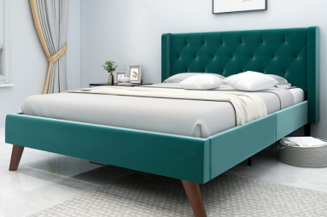 | Carton packaging | 45 | 148*55*19.5cm | 37.8kg
A003GDN-Q |  | Carton packaging | 78 | 163*55*19.5cm | 39.4kg
A008DRE-F | 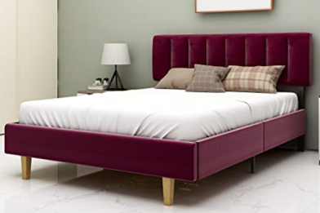 | Carton packaging | 24 | 152*53*19cm | 34kg
 |  |  | 315

